Forecast
Department | Role | Shift | Scheduled_Staff | Actual_Staff_Available | Patient_Volume_Forecast | Capacity_Required | Variance | Coverage_Status | Overtime_Hours_Projected | Float_Staff_Assigned | Last_Updated | Notes
Radiology | Physician | Day | 8 | 9 | 32 | 6 | 3 | Overstaffed | 0 | 0 | 2025-08-13 | COVID isolation impact
Oncology | Admin | Night | 14 | 14 | 10 | 3 | 11 | Overstaffed | 0 | 0 | 2025-08-15 | Overtime approved
Surgery | Respiratory Therapist | Night | 6 | 8 | 9 | 6 | 2 | Overstaffed | 0 | 0 | 2025-08-12 | Elective surgeries rescheduled
Radiology | Radiology Tech | Evening | 13 | 14 | 37 | 4 | 10 | Overstaffed | 0 | 0 | 2025-08-11 | Elective surgeries rescheduled
Lab | RN | Evening | 3 | 1 | 85 | 7 | -6 | Understaffed | 24 | 0 | 2025-08-14 | Stable coverage
Cardiology | RN | Day | 15 | 14 | 32 | 6 | 8 | Overstaffed | 0 | 0 | 2025-08-09 | High ED volume due to flu season
Med-Surg | Technician | Evening | 3 | 4 | 43 | 11 | -7 | Understaffed | 28 | 1 | 2025-08-12 | Elective surgeries rescheduled
Pediatrics | Pharmacist | Night | 15 | 16 | 11 | 5 | 11 | Overstaffed | 0 | 0 | 2025-08-12 | Stable coverage
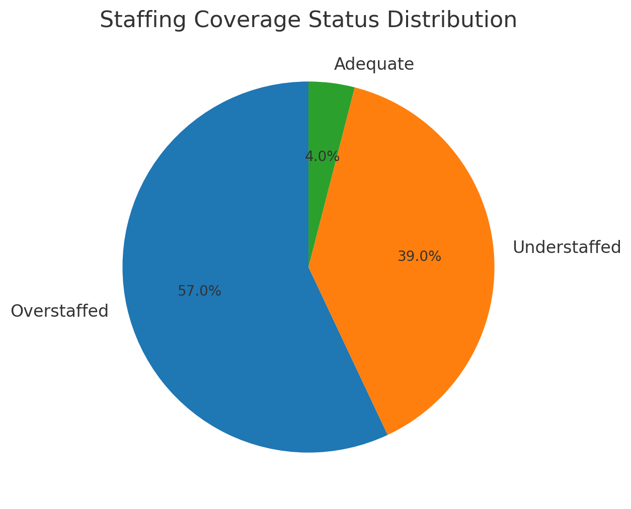
ICU | Admin | Evening | 8 | 5 | 24 | 4 | 1 | Overstaffed | 0 | 0 | 2025-08-12 | Vendor delay in Radiology
Emergency | Surgeon | Night | 10 | 9 | 63 | 15 | -6 | Understaffed | 48 | 2 | 2025-08-08 | High ED volume due to flu season
Lab | Pharmacist | Night | 3 | 5 | 64 | 7 | -2 | Understaffed | 14 | 1 | 2025-08-15 | Stable coverage
ICU | Radiology Tech | Day | 9 | 6 | 12 | 10 | -4 | Understaffed | 28 | 1 | 2025-08-13 | Vendor delay in Radiology
Pharmacy | Radiology Tech | Evening | 12 | 10 | 47 | 4 | 6 | Overstaffed | 0 | 0 | 2025-08-06 | Stable coverage
Surgery | Surgeon | Day | 9 | 7 | 6 | 5 | 2 | Overstaffed | 0 | 0 | 2025-08-17 | Vendor delay in Radiology
Emergency | Admin | Day | 7 | 5 | 115 | 12 | -7 | Understaffed | 42 | 0 | 2025-08-10 | Elective surgeries rescheduled
Lab | Physician | Day | 8 | 8 | 62 | 7 | 1 | Overstaffed | 0 | 0 | 2025-08-10 | Elective surgeries rescheduled
Emergency | Physician | Day | 3 | 1 | 81 | 10 | -9 | Understaffed | 45 | 0 | 2025-08-17 | COVID isolation impact
Emergency | Radiology Tech | Evening | 15 | 12 | 85 | 14 | -2 | Understaffed | 16 | 1 | 2025-08-09 | Elective surgeries rescheduled
Oncology | Radiology Tech | Day | 15 | 16 | 14 | 6 | 10 | Overstaffed | 0 | 0 | 2025-08-18 | Overtime approved
ICU | Physician | Evening | 4 | 5 | 17 | 10 | -5 | Understaffed | 40 | 1 | 2025-08-18 | Stable coverage
Lab | Admin | Night | 5 | 3 | 81 | 4 | -1 | Understaffed | 6 | 0 | 2025-08-18 | Overtime approved
Cardiology | Admin | Day | 10 | 8 | 39 | 7 | 1 | Overstaffed | 0 | 0 | 2025-08-13 | High ED volume due to flu season
Med-Surg | Radiology Tech | Night | 12 | 14 | 49 | 11 | 3 | Overstaffed | 0 | 0 | 2025-08-12 | Unexpected staff absence
Surgery | Technician | Night | 6 | 4 | 6 | 6 | -2 | Understaffed | 8 | 0 | 2025-08-16 | Overtime not approved
Radiology | Pharmacist | Night | 6 | 4 | 25 | 4 | 0 | Adequate | 0 | 0 | 2025-08-10 | Vendor delay in Radiology
ICU | Admin | Evening | 8 | 10 | 19 | 6 | 4 | Overstaffed | 0 | 0 | 2025-08-08 | Vendor delay in Radiology
Pediatrics | Radiology Tech | Night | 5 | 3 | 25 | 4 | -1 | Understaffed | 7 | 2 | 2025-08-15 | Vendor delay in Radiology
Emergency | Pharmacist | Evening | 10 | 11 | 91 | 15 | -4 | Understaffed | 20 | 1 | 2025-08-09 | Vendor delay in Radiology
Pharmacy | Respiratory Therapist | Evening | 15 | 16 | 37 | 4 | 12 | Overstaffed | 0 | 0 | 2025-08-10 | Overtime approved
Emergency | Physician | Evening | 4 | 3 | 110 | 14 | -11 | Understaffed | 66 | 0 | 2025-08-15 | Stable coverage
Lab | Pharmacist | Evening | 13 | 11 | 72 | 6 | 5 | Overstaffed | 0 | 0 | 2025-08-16 | Cross-trained staff covering gaps
ICU | Technician | Evening | 3 | 4 | 24 | 6 | -2 | Understaffed | 14 | 2 | 2025-08-10 | Elective surgeries rescheduled
Radiology | Radiology Tech | Day | 3 | 3 | 19 | 4 | -1 | Understaffed | 5 | 1 | 2025-08-08 | Vendor delay in Radiology
Cardiology | Surgeon | Day | 12 | 9 | 21 | 8 | 1 | Overstaffed | 0 | 0 | 2025-08-14 | Sick leave surge
Surgery | Admin | Evening | 7 | 9 | 6 | 6 | 3 | Overstaffed | 0 | 0 | 2025-08-13 | Stable coverage
Pediatrics | Pharmacist | Evening | 9 | 11 | 11 | 6 | 5 | Overstaffed | 0 | 0 | 2025-08-10 | COVID isolation impact
Emergency | Technician | Night | 8 | 7 | 108 | 11 | -4 | Understaffed | 16 | 0 | 2025-08-16 | Cross-trained staff covering gaps
Pharmacy | Admin | Evening | 3 | 5 | 24 | 6 | -1 | Understaffed | 7 | 1 | 2025-08-14 | Overtime approved
Pediatrics | Pharmacist | Day | 9 | 11 | 12 | 4 | 7 | Overstaffed | 0 | 0 | 2025-08-15 | Elective surgeries rescheduled
Radiology | Respiratory Therapist | Night | 9 | 9 | 22 | 5 | 4 | Overstaffed | 0 | 0 | 2025-08-10 | Stable coverage
Surgery | Radiology Tech | Night | 15 | 16 | 15 | 7 | 9 | Overstaffed | 0 | 0 | 2025-08-10 | Sick leave surge
ICU | Physician | Night | 11 | 12 | 14 | 10 | 2 | Overstaffed | 0 | 0 | 2025-08-10 | Elective surgeries rescheduled
Pediatrics | Technician | Day | 11 | 10 | 30 | 4 | 6 | Overstaffed | 0 | 0 | 2025-08-12 | Stable coverage
Oncology | RN | Day | 14 | 14 | 24 | 4 | 10 | Overstaffed | 0 | 0 | 2025-08-16 | Unexpected staff absence
Oncology | Physician | Night | 10 | 7 | 12 | 6 | 1 | Overstaffed | 0 | 0 | 2025-08-16 | Vendor delay in Radiology
Emergency | Pharmacist | Day | 8 | 8 | 104 | 11 | -3 | Understaffed | 15 | 2 | 2025-08-16 | Cross-trained staff covering gaps
Radiology | Admin | Night | 14 | 15 | 20 | 5 | 10 | Overstaffed | 0 | 0 | 2025-08-12 | Elective surgeries rescheduled
Surgery | Physician | Evening | 13 | 12 | 13 | 7 | 5 | Overstaffed | 0 | 0 | 2025-08-13 | Overtime approved
Emergency | Pharmacist | Day | 15 | 16 | 62 | 11 | 5 | Overstaffed | 0 | 0 | 2025-08-17 | Elective surgeries rescheduled
Lab | Technician | Evening | 13 | 11 | 84 | 7 | 4 | Overstaffed | 0 | 0 | 2025-08-09 | Sick leave surge
Lab | Surgeon | Day | 11 | 12 | 77 | 7 | 5 | Overstaffed | 0 | 0 | 2025-08-10 | Sick leave surge
Pediatrics | Physician | Day | 6 | 5 | 29 | 4 | 1 | Overstaffed | 0 | 0 | 2025-08-18 | Cross-trained staff covering gaps
Cardiology | Respiratory Therapist | Night | 9 | 8 | 26 | 7 | 1 | Overstaffed | 0 | 0 | 2025-08-09 | Overtime approved
Emergency | Physician | Day | 7 | 7 | 110 | 12 | -5 | Understaffed | 20 | 2 | 2025-08-16 | Sick leave surge
Surgery | Radiology Tech | Day | 5 | 3 | 12 | 6 | -3 | Understaffed | 15 | 0 | 2025-08-17 | Sick leave surge
Surgery | Technician | Day | 4 | 6 | 12 | 7 | -1 | Understaffed | 4 | 2 | 2025-08-08 | COVID isolation impact
Cardiology | Radiology Tech | Day | 12 | 9 | 36 | 8 | 1 | Overstaffed | 0 | 0 | 2025-08-17 | High ED volume due to flu season
Emergency | Pharmacist | Evening | 3 | 1 | 108 | 12 | -11 | Understaffed | 77 | 1 | 2025-08-17 | Sick leave surge
Lab | Radiology Tech | Night | 5 | 4 | 92 | 6 | -2 | Understaffed | 14 | 2 | 2025-08-12 | High ED volume due to flu season
Lab | Admin | Day | 11 | 9 | 84 | 7 | 2 | Overstaffed | 0 | 0 | 2025-08-09 | Elective surgeries rescheduled
Surgery | RN | Day | 9 | 7 | 13 | 8 | -1 | Understaffed | 5 | 2 | 2025-08-12 | Overtime approved
Oncology | Pharmacist | Day | 13 | 13 | 13 | 4 | 9 | Overstaffed | 0 | 0 | 2025-08-14 | High ED volume due to flu season
ICU | Pharmacist | Evening | 9 | 9 | 23 | 5 | 4 | Overstaffed | 0 | 0 | 2025-08-14 | Vendor delay in Radiology
Pediatrics | Pharmacist | Evening | 11 | 9 | 26 | 6 | 3 | Overstaffed | 0 | 0 | 2025-08-08 | Vendor delay in Radiology
Pharmacy | Pharmacist | Evening | 15 | 13 | 32 | 6 | 7 | Overstaffed | 0 | 0 | 2025-08-13 | Overtime approved
Lab | Pharmacist | Night | 3 | 1 | 50 | 4 | -3 | Understaffed | 15 | 0 | 2025-08-10 | High ED volume due to flu season
Radiology | Pharmacist | Day | 12 | 9 | 24 | 3 | 6 | Overstaffed | 0 | 0 | 2025-08-12 | Elective surgeries rescheduled
Med-Surg | Technician | Night | 8 | 7 | 66 | 9 | -2 | Understaffed | 12 | 2 | 2025-08-08 | Stable coverage
Med-Surg | Pharmacist | Evening | 9 | 11 | 63 | 12 | -1 | Understaffed | 7 | 1 | 2025-08-15 | Vendor delay in Radiology
Surgery | Surgeon | Day | 10 | 8 | 5 | 5 | 3 | Overstaffed | 0 | 0 | 2025-08-08 | Vendor delay in Radiology
Radiology | Radiology Tech | Day | 7 | 9 | 40 | 4 | 5 | Overstaffed | 0 | 0 | 2025-08-11 | Stable coverage
Pediatrics | Technician | Night | 8 | 9 | 11 | 4 | 5 | Overstaffed | 0 | 0 | 2025-08-17 | Elective surgeries rescheduled
Cardiology | Technician | Evening | 11 | 13 | 23 | 6 | 7 | Overstaffed | 0 | 0 | 2025-08-09 | Elective surgeries rescheduled
Pediatrics | RN | Day | 3 | 2 | 15 | 4 | -2 | Understaffed | 8 | 1 | 2025-08-17 | Overtime approved
Pharmacy | RN | Evening | 9 | 9 | 56 | 3 | 6 | Overstaffed | 0 | 0 | 2025-08-14 | COVID isolation impact
Lab | RN | Night | 13 | 14 | 59 | 6 | 8 | Overstaffed | 0 | 0 | 2025-08-09 | Elective surgeries rescheduled
Lab | Radiology Tech | Night | 6 | 7 | 76 | 5 | 2 | Overstaffed | 0 | 0 | 2025-08-14 | COVID isolation impact
Cardiology | Physician | Day | 9 | 8 | 21 | 5 | 3 | Overstaffed | 0 | 0 | 2025-08-11 | Cross-trained staff covering gaps
Pharmacy | Respiratory Therapist | Day | 3 | 1 | 44 | 6 | -5 | Understaffed | 40 | 0 | 2025-08-11 | Vendor delay in Radiology
Oncology | Physician | Day | 12 | 13 | 23 | 4 | 9 | Overstaffed | 0 | 0 | 2025-08-14 | COVID isolation impact
Cardiology | Radiology Tech | Evening | 3 | 0 | 36 | 7 | -7 | Understaffed | 28 | 1 | 2025-08-18 | Unexpected staff absence
Med-Surg | Surgeon | Evening | 12 | 12 | 65 | 12 | 0 | Adequate | 0 | 0 | 2025-08-16 | Elective surgeries rescheduled
Oncology | Physician | Night | 9 | 6 | 24 | 6 | 0 | Adequate | 0 | 0 | 2025-08-18 | Overtime approved
Cardiology | Respiratory Therapist | Night | 3 | 4 | 15 | 5 | -1 | Understaffed | 6 | 1 | 2025-08-17 | COVID isolation impact
Emergency | RN | Day | 9 | 6 | 87 | 15 | -9 | Understaffed | 63 | 2 | 2025-08-18 | Overtime approved
Lab | Respiratory Therapist | Day | 14 | 11 | 51 | 4 | 7 | Overstaffed | 0 | 0 | 2025-08-18 | Vendor delay in Radiology
Pediatrics | Radiology Tech | Day | 14 | 16 | 16 | 7 | 9 | Overstaffed | 0 | 0 | 2025-08-17 | Overtime approved
Oncology | RN | Night | 15 | 12 | 13 | 6 | 6 | Overstaffed | 0 | 0 | 2025-08-17 | Vendor delay in Radiology
Pediatrics | Physician | Night | 13 | 14 | 18 | 4 | 10 | Overstaffed | 0 | 0 | 2025-08-16 | High ED volume due to flu season
Emergency | Pharmacist | Night | 12 | 9 | 90 | 10 | -1 | Understaffed | 4 | 1 | 2025-08-09 | High ED volume due to flu season
Cardiology | RN | Evening | 3 | 5 | 35 | 6 | -1 | Understaffed | 8 | 0 | 2025-08-08 | High ED volume due to flu season
ICU | Admin | Evening | 5 | 2 | 17 | 7 | -5 | Understaffed | 20 | 0 | 2025-08-18 | High ED volume due to flu season
ICU | Technician | Day | 12 | 13 | 12 | 10 | 3 | Overstaffed | 0 | 0 | 2025-08-17 | Elective surgeries rescheduled
Lab | Radiology Tech | Day | 9 | 10 | 90 | 7 | 3 | Overstaffed | 0 | 0 | 2025-08-13 | Overtime approved
Oncology | Radiology Tech | Day | 3 | 2 | 18 | 5 | -3 | Understaffed | 21 | 0 | 2025-08-16 | High ED volume due to flu season
Oncology | Radiology Tech | Night | 14 | 14 | 17 | 6 | 8 | Overstaffed | 0 | 0 | 2025-08-13 | Stable coverage
Pharmacy | Physician | Day | 4 | 4 | 27 | 4 | 0 | Adequate | 0 | 0 | 2025-08-17 | High ED volume due to flu season
Emergency | Pharmacist | Day | 6 | 6 | 77 | 12 | -6 | Understaffed | 48 | 2 | 2025-08-16 | COVID isolation impact
Lab | Pharmacist | Night | 13 | 12 | 89 | 6 | 6 | Overstaffed | 0 | 0 | 2025-08-14 | High ED volume due to flu season
Med-Surg | Pharmacist | Day | 13 | 10 | 57 | 12 | -2 | Understaffed | 10 | 1 | 2025-08-13 | Vendor delay in Radiology

